Revision History & Instructions
Information
Tool Purpose | The purpose of this tool is to structure and streamline some tier 0 security practitioner activities. Demo Video: https://gccollab.ca/file/view/7964117/entbs-saas-assessment-tool-mvp-2-english-demofr

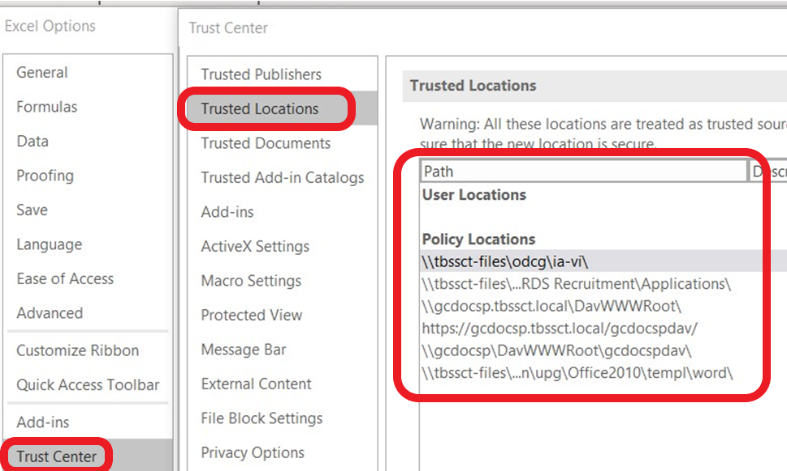
Instructions
Readiness Worksheet (step 1) | Click on the "Run Readiness Check" button in the "TBS SaaS Assessment Tool" ribbon bar. Follow the instructions on screen by providing the required information. Demo Video: https://gccollab.ca/file/view/7964117/entbs-saas-assessment-tool-mvp-2-english-demofr
GC SaaS Assessment Worksheet (step 2) | Click on the 'Update Active Worksheet" button. Wait patiently while the entire worksheet is updated. Complete all action items (blue cells) and complete the assessment as required. Complete worksheet as required.
CCCS Assessor Workbook Worksheet (alternative step 2) | Click on the 'Update Active Worksheet" button. Wait patiently while the entire worksheet is updated. Complete all action items (blue cells) and complete the assessment as required. Complete worksheet as required.
Definitions of Suggested States | Tier 0 suggested state definitions: • “Met Inherited” for the CCCS assessor workbook PaaS/IaaS layers (aka “Do not assess”) o If a PaaS/IaaS is an already approved for use CSP; then no resources should be spent assessing safeguards in these PaaS/IaaS layers. o If a PaaS/IaaS is not on the approved list; then a full stack PBMM assessment is required (minimum). o Departments and Agencies that are NOT “lead security agencies” are expected to accept the results of previous CSP security vetting’s that were done by CCCS. These results can be requested for reference by contacting contac@cyber.gc.ca • “Met Inherited” for the CCCS assessor workbook SaaS layer and the TBS SaaS Assessment tool (aka, “Do not assess”) o If a tier 0 SaaS has the recommended cloud security certifications (see GC cloud tiered assurance model); then no resources should be spent on assessing if a cells safeguard are in place. Departments and Agencies that are NOT “lead security agencies” can take advantage of a cloud security certification attestations in place of full safeguard assessments. However, if you suspect an issue with the quality of the cells safeguard, follow up as required. o If a tier 0 SaaS does not meet the GC cloud assurance models expectations; then a full SaaS assessment is required. • “None” for any control (aka “Must be assessed”) o The evidence needed for assessing this safeguard must be collected, as decision making for this control using vendor attestation is inappropriate. o Assessment procedures will be scripted for ease of use collection. o Some risk factors will be considered more impactful then others. o Whenever possible, data driven feeds are used to assist in a safeguard’s assessment. For example, SC-8. • “Out of Scope” for Consumer o The safeguard under question does not apply to the consumer; and/or there is no low-cost/pragmatic implementation available. • “None” for Consumer o It is the responsibility of the GC con
Other | If you are having troubles running .xlsm files, then visit the trust center of office 365 by selecting “File”, “Options”, “Trust Centre”, “Trust Center Settings” and finally “Trusted Locations” to see if you can get the file running by placing it in a trusted location. Please review the included screenshots for further help.

Revision History
Date | Author | Description
2021-10-05 | TBS-CIOB, Cyber Security | MVP 3 Change Log: • Added MFA Feature Request. • Added ESA Consumer SCTM. • Bug Fix: Data Residency error messaging improved. • B1, S2, S24 changed from enhanced to minimum. • S32 changed from minimum to enhanced. • S4 noting that CCCS runs the enterprise cloud assessment program and not CSE. • S3, S5, P1 merged into S2 • S8 merged into L1 • API2 merged into API1 • P2 merged into L2
2021-05-20 | TBS-CIOB, Cyber Security | MVP 2.1 Change Log: • Code improvements.
2021-04-16 | TBS-CIOB, Cyber Security | MPV 2 Change Log: • Instructions worksheet updated. • Fixed a bug in the (GC) HTTPS evaluator decision aid that labelled TLS 1.3 “phase out” ciphers as a negative indicator. “Phase out” ciphers are not considered “known good indicators”. • Each row in the TBS SaaS Assessment worksheet has been given a unique identifier. When referring to rows inside this excel file, please use each rows unique identifier. • Removed functionality that would set a cells “Override” column to “met”. This requires assessors to visit each row’s state during the assessment process. • The consumer shared responsibility section in the CCCS Assessor Work Book has an added “Consumer Out of Scope” column. If an “X” is in this column, the consumer of the CSP is not expected to implement this safeguard in the context of the consumer. • The SaaS shared responsibility section in the CCCS Assessor Work Book has an added ‘Suggest Met if Tier 0 and Happy Path’ column. If an “X” is in this column, the SaaS layer decision aid will suggest ‘met (inherited)’ when the SaaS CSP has the cloud security certifications listed in Tier 0 of the GC Cloud Assurance Model. If the SaaS CSP does NOT meet the cloud security certifications listed in Tier 0, the decision aid suggests a full stack SaaS assessment. • The ITSG-33 profile section in the CCCS Assessor Work Book has a added “GC ULL - Tailor From Here” column. If an “X” is in this column, then this ITSG-33 control will be included in the default scope of the assessment. When tailoring the profile (if required), remove the “X” from this column and update the worksheet. This will remove this control from the SaaS’s share responsibility section. • Added SA-15 (7) to the CCCS Assessor Work Book worksheet. This control was added to give visibility into the software composition analysis (SCA) tooling and static code analysis tooling SaaS CSP’s are using. This control is also in scope for the consumers shared responsibility section when homegro
2021-02-25 | TBS-CIOB, Cyber Security | MVP 1 Change Log: 1. Added triage and knowledge transfer worksheet. 2. Added suggested state functionality. 3. Added a video explainer.

